Sheet1
 |  | Bond price to yield convention

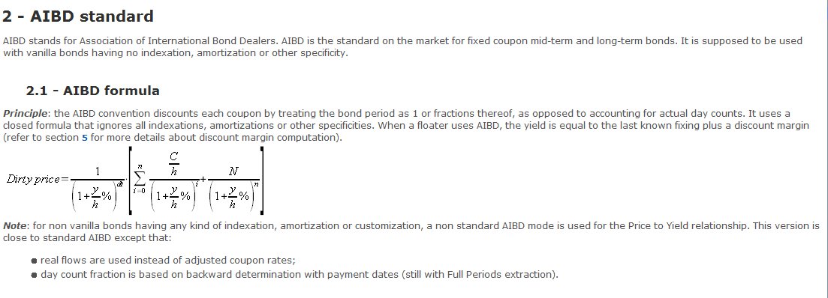

Price to Yield convention

Ticker | Price to yield convention | Alternate Yield convention for the last period
BUBILL | LIN ACT/360 | LIN ACT/360
DBR | AIBD | LIN ACT/365
OBL and BKO | AIBD | LIN ACT/ACT
UKTB | LIN ACT/365 | LIN ACT/365
UKT | AIBD | AIBD

The below table summaries how the dt (daycount fraction is computed) for AIBD:

Long coupon (before first coupon)
SD in Stub period | SD after stub period | Happy path
(ESP-SD)/(ESP-HSSP) | (FCD-SD)/(FCD-ESP) | (ED-SD)/(ED-SD)

SD: Settlement date |  | Example
ESP: End Stub period |  | Bond name | Isin | Issue date | ESP | HSSP | FCD
HSSP:Hypothetical Start Stub period |  | DBR 0.5% 02/26 | DE0001102390 | 2016-01-15 | 2016-02-15 | 2015-02-15 | 2017-02-15
FCD: First coupon date |  | UKT 1.5% 07/26 | GB00BYZW3G56 | 2016-02-18 | 2016-07-22 | 2016-01-22 | 2017-01-22
ED: End date of period
SD: Start date of a period

